Bug Report
Defect Report |  | Defect Report |  | Defect Report |  | Defect Report |  | Defect Report |  | Defect Report

Release | V1.0 | Release | V1.0 | Release | V.1.0 | Release | V.1.0 | Release | V.1.0 | Release | V.1.0
Title | User isn't able to signup with a first name that is equal to 3 characters | Title | Login with incorrect email formate and correct password formate that is in the database displays that it couldn't find email in the data base instead of wrong email formate | Title | Loading circle should be displayed while logging in | Title | Todo page should display "USER" if user's name is empty, less than or equal to 2 characters, have a "." in it, have a "@" in it. | Title | The "No Available Todo" is being overlayed on the todo page number at the bottom of the screen | Title | Todo page dimensions isn't correct on multiple phones
Description | 1-Happens with all browsers 2-Test name used is "moh" | Description | 3-Login with incorrect email formate and correct password formate that is in the database displays an error message that isn't expected where it displays "We could not find the email in the database" instead of "Please Insert a correct Email format". Must be in the login page and must have an email and password registered in the database Test data used: Email: test1@gmail.co , test1@gmai.com , test1@gmai.co Password: Test123! | Description | A loading circle should be diplayed while logging in and it shouldn't be displayed over text and it should be displayed on the bottom center of sign in. The user must be in the login page and must enter a correct email and password formate that are in the database. Test data used: Email: test1@gmail.com Password: Test123! | Description | Todo page should display "USER" if user's name is empty, less than or equal to 2 characters, have a "." in it, have a "@" in it. | Description | 1-Must login with an email and password that are registered in the database 2- Must be at the todo page 3- Must have any task created | Description | Todo page should be displayed correctly on all phones, It should display the normal todo page layout in which the tasks are centred in the middle and the buttons are placed in the correct position
Steps | 1-Enter a first name with "moh" 2-Fill a correct last name 3-Fill a correct e-mail formate and the email shouldn't be registered in the database 4-Fill a correct password 5-Fill a correct confirm password 6-Click on signup button | Steps | 1- Enter an incorrect email formate 2-Enter an correct password formate that is in the database 3-Click on signin | Steps | 1- Enter an correct email formate that is in the database 2-Enter an correct password formate 3-Click on signin | Steps | 1-Open chrome's developers tool 2-Click on the application section 3-Click on "local storage" 4-Double click on the "value" section of "user" 5-Go to the end of the value 6-Change name | Steps | 1-Press on the "+" sign that says "add a new todo". 2- Write down the name of the task in the "Todo item" bar. 3- Click on "CREATE TODO". 4- Repeat the process until you have more than 5 tasks | Steps | 1- Open dev tools. 2- Press on "Toggle device toolbar" on the far left of dev tools. 3- Press on "Dimensions" on the far top of the screen and choose any phone. 4- Press on the zoom button and pick "100%"
Expected Results | 1-signup successfully 2-take the user to the todopage | Expected Results | Error message should be displayed "Please Insert a correct Email format" | Expected Results | A loading circle should be diplayed while logging in and it shouldn't be displayed over text and it should be displayed on the bottom center of sign in | Expected Results | it should display "time of the day" then "USER" | Expected Results | should remove the sentence "No Available Todos" at the bottom of the page | Expected Results | It should display the normal todo page layout in which the tasks are centred in the middle and the buttons are placed in the correct position
Actual Result | An error message displayed "First Name is required, and it should be more than 3 characters" | Actual Result | Error message should be displayed "We could not find the email in the database" | Actual Result | A loading screen was displayed but it wasn't centered and was shifted to the right | Actual Result | it displayed "time of the day" then "USER" in all cases except in: mo : it displayed mo instead of USER mohamed\ : page disappeared \mohamed : page disappeared | Actual Result | It didn't remove the "No Available Todos" and it overlayed the page number being displayed behind it | Actual Result | Todo tasks list is shifted to the side of the screen
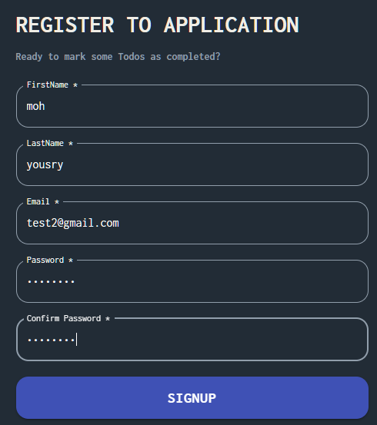
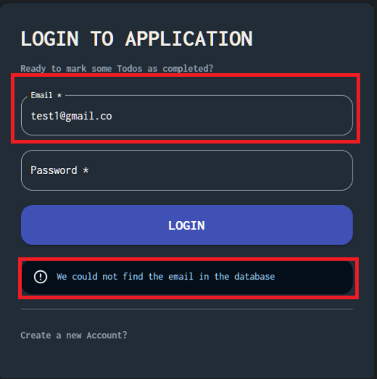
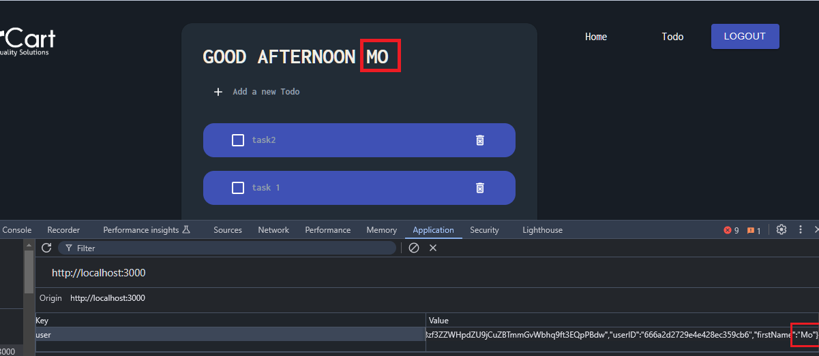
Environment | Chrome V125.0.6422.144 | Environment | Chrome V125.0.6422.144 | Environment | Chrome V125.0.6422.144 | Environment | Chrome V125.0.6422.145 | Environment | Chrome V125.0.6422.145 | Environment | Chrome V125.0.6422.145
Screenshot / Video | 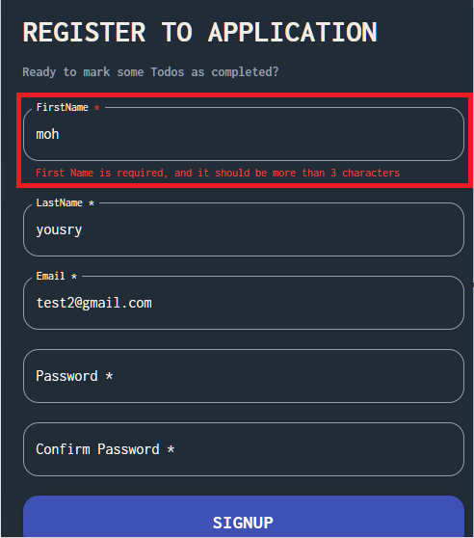 | 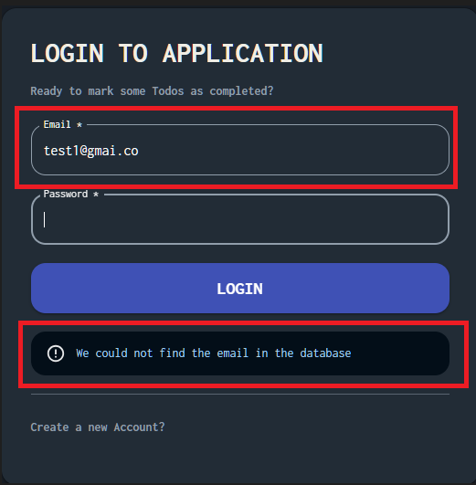 Screenshot / Video | 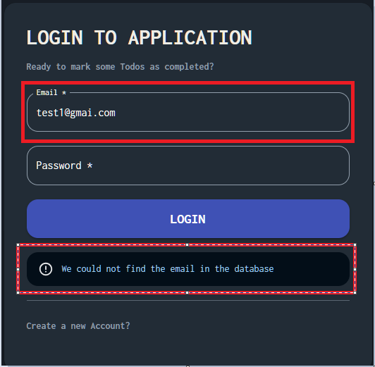 | Screenshot / Video | 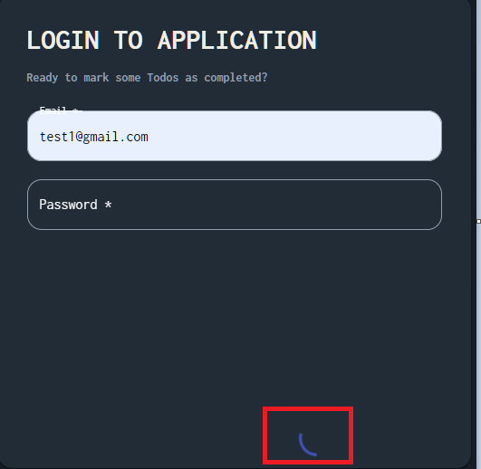 | Screenshot / Video | 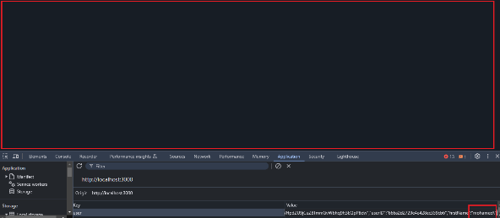 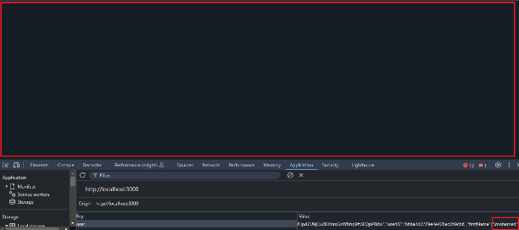 | Screenshot / Video | 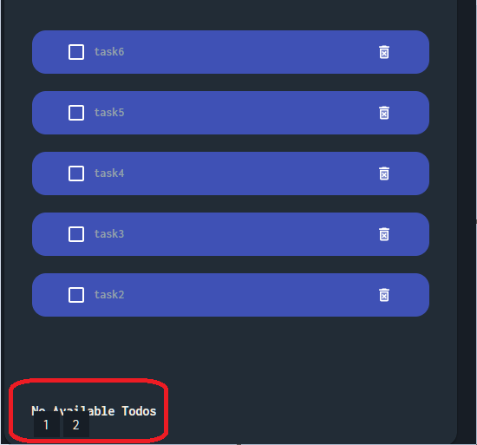 | Screenshot / Video | 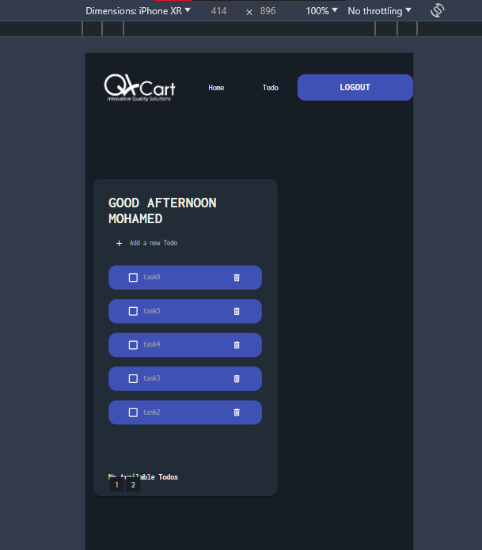 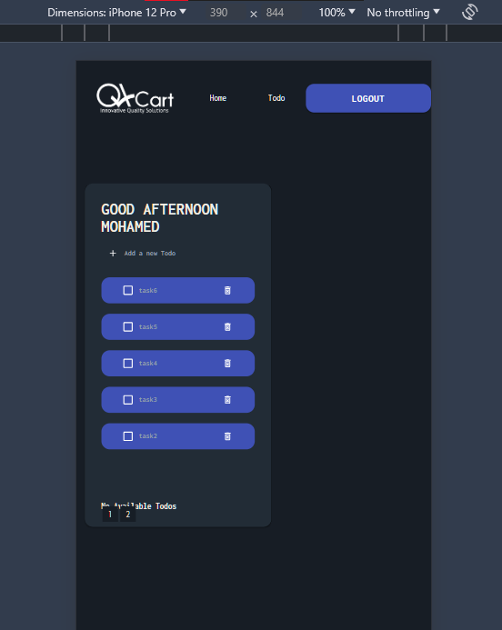 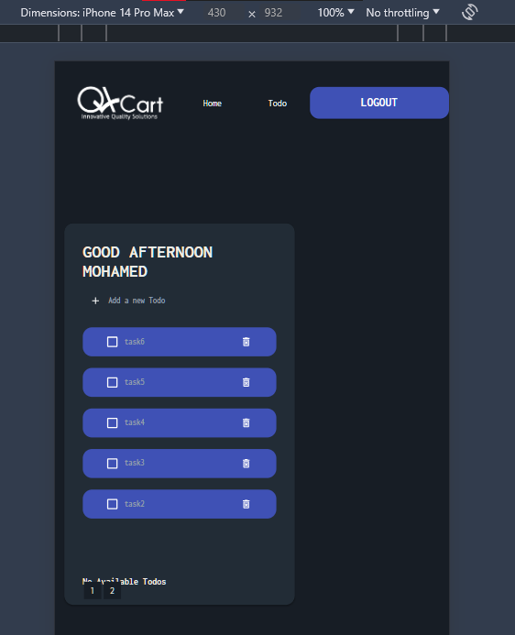 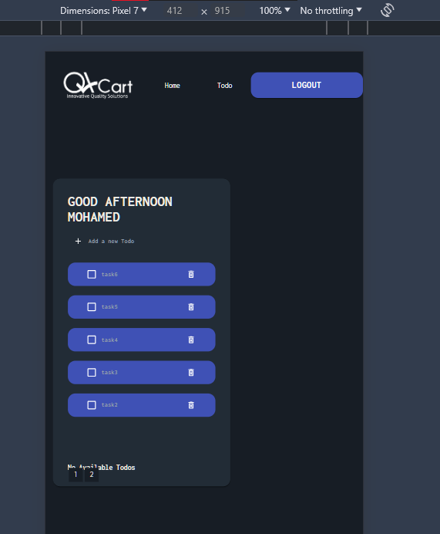
Rate | 2024-05-05 | Rate | 2024-02-02 | Rate | 2024-04-04 | Rate | 2024-02-02 | Rate | 2024-01-01 | Rate | 2024-04-04
Priority | B | Priority | D | Priority | D | Priority | A | Priority | A | Priority | A
Status | Open | Status | Open | Status | Open | Status | Open | Status | Open | Status | Open
© Copy rights for QAcart 2022 |  | © Copy rights for QAcart 2022 |  | © Copy rights for QAcart 2022 |  | © Copy rights for QAcart 2023 |  | © Copy rights for QAcart 2023 |  | © Copy rights for QAcart 2023

